SAT-CVM-MTN-02
▣ Scenario SAT-CVM-MTN-02 : Installation

STAFF
Tapping card
View Setting Menu
Input the installation information
Downloading the operational files
SCVM
Validate card
Download files from SMC
▶ Desc & Flow
Description |  | A menu enables the user to install the operation program and other parameters. Also, the user can use this menu to install the CARD/SAM variables and other utilities.
Biz flow ( It describe briefly )

▶ Advance preparation
Preparation |  | STAFF Card 1 EA, SCVM 1 EA

▶ Data
NO | Item | 1 | 2 | 3 | 4 | 5
1 | N/A

001
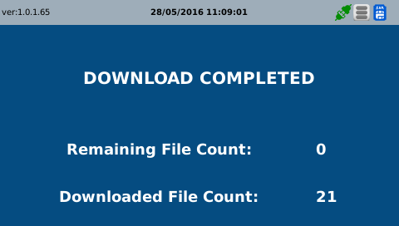
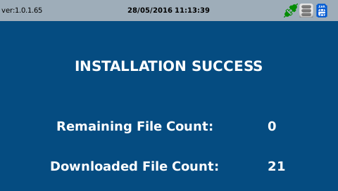
Test Case -SAT-CVM-MTN-02-001 :Input the installation information

1. Test Scenario
Test date |  | 1st |  | Tester |  | 1st
 |  | 2nd |  |  |  | 2nd
 |  | 3rd |  |  |  | 3rd

tapping with staff card
Select Installation
Input the installation data
Description |  | Input the installation information |  |  |  |  | Written by |  | Süleyman Kabadayı
Flow

NO | Task | Test data | Expected result | Person in charge | Result |  | Pass/Fail |  |  | Remark
 |  |  |  |  |  |  | 1st | 2nd | 3rd
1 | [ tapping with the staff card] 1. tapping staff card on the SCVM | Test Data : A | Success to Login | KIM J.E. | 1st |  |  |  |  | Test Data:B
 |  |  |  |  | 2nd
 |  |  |  |  | 3rd
2 | 1.Select the Installation menu 2.Input data for the installation 3.At last, select the finish 4. Touch [ok] | Test Data : B (input data for installation) | 1. Display the screen of downloading progress 2. Display the screen of installaion finished | KIM J.E. | 1st |  |  |  |  | Test Data:C
 |  |  |  |  | 2nd
 |  |  |  |  | 3rd

NO | Item
A | Staff card | Staff Card for testing
B | the data for installation | the installation data ard included as follows: -. SMC IP, -. DEVICE(SCVM) ID -. DEVICE(SCVM) IP (These information can be changed in the future as the changing of software logic.)
C | 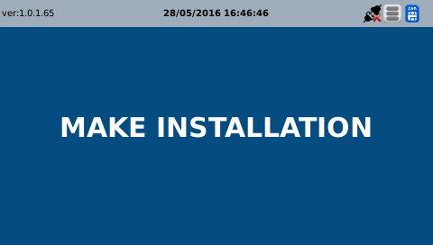 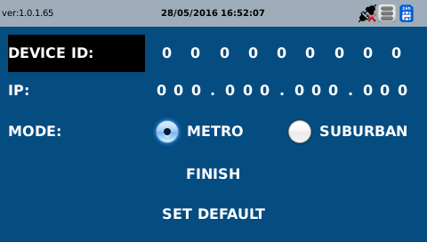
D | 